LL Crib
Runway 27L | 27R SID Route separation & Handoff |  |  |  |  |  |  |  |  |  |  |  | Follow / Lead | CAT A | CAT B | CAT C | CAT D | CAT E | CAT F
Follow / Lead | BPK |  | CPT |  | DET |  | GOGSI |  | MAXIT / MID | UMLAT / WOBUN |  | CAT A
BPK | 2* |  | 2* | 1* | 1 | 1* | 2* | 1* | 1 | 2* |  | CAT B | 100 ! 55
CPT | 2* | 1* | 2* |  | 1 | 1* | 2* |  | 2* | 2* | 1* | CAT C | 120 ! 75
DET | 1 | 1* | 1 | 1* | 2 |  | 1 | 1* | 2* | 1 | 1* | CAT D | 140 ! 95 | 100 ! 55 | 80 ! 35
GOGSI | 2* | 1* | 2* |  | 1 | 1* | 2* |  | 2* | 2* | 1* | CAT E | 160 ! 115 | 120 ! 75 | 100 ! 55
MAXIT | 1 |  | 2* |  | 2* |  | 2* |  | 2* | 1 |  | CAT F | 180 ! 135 | 140 ! 95 | 120 ! 75 | 120 ! 75 | 100 ! 55 | 80 ! 35
UMLAT | 2* |  | 2* | 1 | 1 | 1* | 2* | 1* | 1 | 2
 | NE |  | SW |  | SE |  | SW |  |  | NW |  | RECAT | S Heavy | U Heavy | L Heavy | U Medium | L Medium | Light
 | TC NE - 118.825 |  | TC SW - 133.175 |  | TC SE - 120.525 |  | TC SW - 133.175 |  |  | TC NW - 121.275 |  |  | CAT A | CAT B | CAT C | CAT D | CAT E | CAT F
 | TC N - 119.775 |  | TC S - 134.125 |  | TC S - 134.125 |  | TC S - 134.125 |  |  | TC N - 119.775 |  |  | A380-800 | A330-200 | A300-600 | A318 | ATR42 - 300/320 | Falcon 10
 | TC - 135.800 |  | TC - 135.800 |  | TC - 135.800 |  | TC - 135.800 |  |  | TC - 135.800 |  |  | AN-124 | A330-300 | A300 | A319 | ATR42-500 | Falcon 20
 | TC E - 121.225 |  | LS (WOR) - 129.425 |  | LD (DVR) - 134.900 |  | LS (WOR) - 129.425 |  |  | LM (DTY) - 120.025 |  |  | AN-225 | A340-300 | A310 | A320 | ATR72-201 | Dornier 328
 | LE (CLN) - 118.475 |  | LSC - 132.600 |  | LS (WOR) - 129.425 |  | LSC - 132.600 |  |  | LC - 127.100 |  |  |  | A340-500 | B703 | A321 | B712 | E120
 | LC - 127.100 |  | L - 127.825 |  | LSC - 132.600 |  | L - 127.825 |  |  | LSC - 132.600 |  |  |  | A340-600 | B752 | AN12 | B732 | BE40
 | LSC - 132.600 |  | INT S - 134.975 |  | L - 127.825 |  | INT S - 134.975 |  |  | L - 127.825 |  |  |  | A350-900 | B753 | B736 | B733 | H25B
 | L - 127.825 |  | INT N - 119.725 |  | INT S - 134.975 |  | INT N - 119.725 |  |  | INT N - 119.725 |  |  |  | B744 | B762 | B737 | B734 | JS32
 | INT N - 119.725 |  |  |  | INT N - 119.725 |  |  |  |  |  |  |  |  | B748 | B763 | B738 | B735 | JS41
 | * May be reduced subject to coordination with TC SE |  |  |  |  |  |  |  |  |  |  |  |  | B772 | B764 | B739 | CL60 | LJ35
 | Italics indicate wait for leading to pass end of runway |  |  |  |  |  |  |  |  |  |  |  |  | B77W | C135 | C130 | CRJ1 | LJ60
Runway 09L | 09R SID Route separation & Handoff |  |  |  |  |  |  |  |  |  |  |  |  |  | B77L | DC10 | MD81 | CRJ7 | SAAB 340
Follow / Lead | BPK |  | CPT |  | DET |  | GASGU | MODMI | ULTIB |  |  |  |  | B788 | MD11 | MD90 | DH8D | P180
BPK | 2* |  | 1 | 1* | 1 | 1* | 1 | 1 | 2* |  |  |  |  | IL96 | IL76 | T204 | E135 | C650
CPT | 1 | 1* | 2* |  | 2* |  | 3 | 2* | 1 | 1* |  |  |  |  | TU95 |  | E145 | C525
DET | 1 | 1* | 2* |  | 2* |  | 2* | 2* | 1 | 1* |  |  |  |  |  |  | E170 | C180
GASGU | 1 |  | 2* |  | 2* |  | 2* | 2 | 1 |  |  |  |  |  |  |  | E190 | C152
MODMI | 1 |  | 2* |  | 2* |  | 3 | 2* | 1 |  |  |  |  |  |  |  | GLF4
ULTIB | 2* |  | 1 | 1* | 1 | 1* | 1 | 1 | 2* |  |  | Westerlies
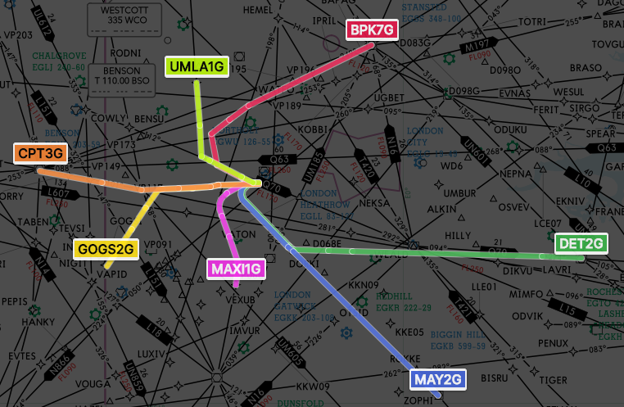
 | NE |  |  |  | SE |  | SW |  | NW
 | TC NE - 118.825 |  | INT S - 134.975 |  | TC SE - 120.525 |  | TC SW - 133.175 |  | TC NW - 121.275
 | TC N - 119.775 |  | INT N - 119.725 |  | TC S - 134.125 |  | TC S - 134.125 |  | TC N - 119.775
 | TC - 135.800 |  | TC SE - 120.525 |  | TC - 135.800 |  | TC - 135.800 |  | TC - 135.800
 | TC E - 121.225 |  | TC S - 134.125 |  | LD (DVR) - 134.900 |  | LS (WOR) - 129.425 |  | LM (DTY) - 120.025
 | LE (CLN) - 118.475 |  | TC - 135.800 |  | LS (WOR) - 129.425 |  | LSC - 132.600 |  | LC - 127.100
 | LC - 127.100 |  | LD (DVR) - 134.900 |  | LSC - 132.600 |  | L - 127.825 |  | LSC - 132.600
 | LSC - 132.600 |  | LS (WOR) - 129.425 |  | L - 127.825 |  | INT S - 134.975 |  | L - 127.825
 | L - 127.825 |  | L SC - 132.600 |  | INT S - 134.975 |  | INT N - 119.725 |  | INT N - 119.725
 | INT N - 119.725 |  | L - 127.825 |  | INT N - 119.725

 | Local frequencies |  |  | Pre-note & Releases
 | ATIS | 128.075 |  | Departure |  |  | Pre-Note (GMP) |  | Release (AIR)
 | GMP | 121.975 |  | Non-Duty rwy |  |  |  |  | FIN
 | GMP (PLN) | 124.475 |  | EGKK / HI / HH / LF/ KA / TK / VN |  |  | TC SW |  | TC SW
 | GMC 1 | 121.900 |  | EGSS / GW / SC |  |  | TC NE |  | TC NE
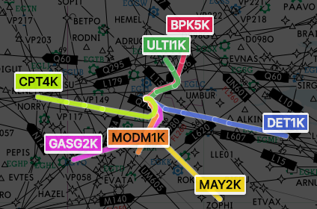
 | GMC 2 | 121.700 |  | EGLC / MC / KB / MD |  |  | TC SE |  | TC SE |  |  | Easterlies
 | GMC 3 | 121.850
 | AIR N | 118.700 |  | Level Capping
 | AIR S | 118.500 |  | MAN TMA, NX, BB |  | 180 |  | EBBR / AW / CI / CV / MB |  | 230
 | INT N | 19.725 |  | EGNT / NV |  | 340 |  | LFPG / PB / PT / OB / OP |  | 250
 | INT S | 134.975 |  | EH** |  | 230 |  | LFRR FIR |  | 250
 | FIN | 120.400 |  | EHAM |  | 290 |  | LFBB FIR |  | 330
 |  |  |  | EHRD |  | 190 |  | LSZH / MD |  | 290

